S320 整理数据
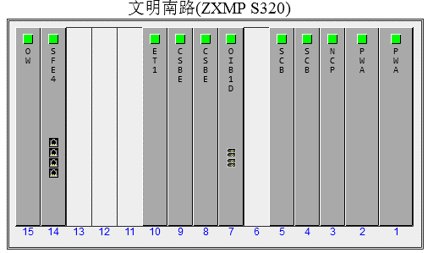
ZXMP S320系统包括的单板及接口板的名称、代号如表2.1 1所示。
序号 | 名称 | 代号 | 代号含义
1 | -48V电源板 | PWA | Power Board –48V
2 | +24V电源板 | PWB | Power Board +24V
3 | 系统时钟板 | SCB | System Clock Board
4 | STM-1光接口板（AU-4） | OIB1 | Optical Interface Board STM-1（AU-4）
5 | 2M支路板（AU-4） | ET1 | Electrical Tributary board E1（AU-4）
6 | 通用E1/T1支路板 | ET1G | Electrical Tributary General board T1/E1
7 | 34M支路板 | ET3E | Electrical Tributary board E3
8 | 45M支路板 | ET3D | Electrical Tributary board DS3
9 | 网元控制处理板 | NCP | Netcell Control Processor
10 | 背板 | MB1 | Mother Board STM-1
11 | 交叉板 | CSB | Cross Switch Board
12 | 勤务板 | OW | OrderWire board
13 | STM-1电接口板（以后提供） | EIB1 | Electrical Interface Board STM-1
14 | STM-1光接口板（AU-3） | OIB | Optical Interface Board STM-1
15 | 支路插座板A | ETA | Electrical Tributary board E1 socket A
16 | 支路插座板B | ETB | Electrical Tributary board E1 socket B
17 | 支路插座板C | ETC | Electrical Tributary board E1 socket C
18 | 支路插座板D | ETD | Electrical Tributary board E1 socket D
19 | 支路倒换板A | TSA | Tributary Switch board A
20 | T3/E3支路倒换板 | TST | Tributary Switch board of T3/E3
21 | V.35数据接口板 | V35D | V.35 Data user interface board
22 | 4端口智能快速以太网板 | SFE4 | Smart Fast Ethernet 4
23 | 2端口155M ATM处理板 | AP1S2 | ATM Processor with 2 STM-1 port
24 | 全交叉STM-4光接口板 | O4CS | Optical interface board STM-4（AU-4） of Cross Switch
25 | 全交叉STM-1光接口板（以后提供） | O1CS | Optical interface board STM-1 of Cross Switch
26 | 音频接口板 | AI | Audio Interface board
27 | 数据接口板 | DI | Data Interface board

